Sheet1
Bug ID | Test case ID | Description | Steps to reproduce | Expected result | Actual Result | Severity | Priority | Screenshots
BUG001 | TC009 | Verify an error occurs when passwords do not match. | Enter a password in the password field Enter a different password in the password field click on signup button | An error message is displayed indicating the passwords do not match. | It is showing the errror and loging in also | Critical | High
BUG002 | TC010 | Verify the form rejects weak password | Enter the password metting the strength criteria e.g. 123456 | An error message is displayed indicatingthe password is too weak. | The registration is completed successfully | Major | HIgh
BUG003 | TC023 | Verify that the system displays an error for invalid or negative income amounts. | Navigate to add income add a negative number click on ok | An error message "Enter a valid amount" is displayed, and the income is not saved. | The income is added | Critical | High
BUG004 | TC025 | Verify that the system does not allow adding income with a future date. | Navigate to add income add a future date click on ok | An error message "Enter a valid date" is displayed, and the income is not saved. | The income is added | Critical | High
BUG005 | TC033 | Verify that the system displays an error for invalid or negative expense amounts. | Navigate to add income add a negative number click on ok | An error message "Enter a valid amount" is displayed, and the income is not saved. | The income is added | Critical | High
BUG006 | TC041 | Verify that the user can successfully edit an income transaction with valid details. | 1. Navigate to the "Edit or Delete Transaction" page. 2. Select an existing income transaction. 3. Edit valid details.4. Click the "Save" button. | The transaction details are updated successfully, and a confirmation message " Income transaction updated successfully" is displayed. | Button is not working | Blocker | High | 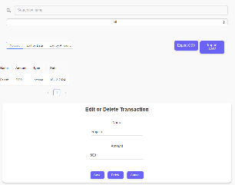
BUG007 | TC042 | Verify that the system does not allow saving the income transaction when fields are blank. | 1. Navigate to the "Edit or Delete Transaction" page. 2. Select an existing income transaction. 3. Do not enter anything 4. Click the "Save" button. | An error message "All fields are required" is displayed, and the changes are not saved. | Button is not working | Blocker | High
BUG008 | TC043 | Verify that the system restricts invalid or negative amounts during modification. | 1. Navigate to the "Edit or Delete Transaction" page. 2. Select an existing income transaction. 3. Enter invalid amounta .4. Click the "Save" button. | An error message "Enter a valid amount" is displayed, and the income is not saved. | Button is not working | Blocker | High
BUG009 | TC046 | Verify that the system restricts entering a future date for an income transaction. | 1. Navigate to the "Edit or Delete Transaction" page. 2. Select an existing income transaction. 3. Enter invalid date .4. Click the "Save" button. | An error message "Enter a valid date" is displayed, and the income is not saved. | Button is not working | Blocker | High
BUG010 | TC051 | Verify that the user can successfully edit an expense transaction with valid details. | 1. Navigate to the "Edit or Delete Transaction" page. 2. Select an existing income transaction. 3. Edit valid details.4. Click the "Save" button. | The transaction details are updated successfully, and a confirmation message " Income transaction updated successfully" is displayed. | Button is not working | Blocker | High
BUG011 | TC052 | Verify that the system does not allow saving the income transaction when fields are blank. | 1. Navigate to the "Edit or Delete Transaction" page. 2. Select an existing income transaction. 3. Do not enter anything 4. Click the "Save" button. | An error message "All fields are required" is displayed, and the changes are not saved. | Button is not working | Blocker | High | 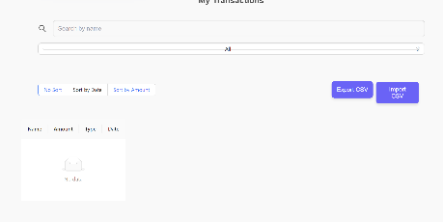
BUG012 | TC068 | Verify that exporting the CSV file when the transaction list is empty shows an error. | Click on export csv button with zero entry | An error message should come saying list is empty | File downloaded with zero entries | Major | Medium
BUG013 | TC071 | Verify that the user can import a valid CSV file containing transactions. | Click on improt button and select a valid csv file | The CSV file is uploaded successfully, and the transactions in the file are added to the transaction list. | No entry added to the list and no confirmation is there | Major | Medium
BUG014 | TC072 | Verify that importing a CSV file with invalid data shows an error message. | Click on improt button and select a invalid csv file | An error message "Invalid CSV file format" or "Data format error" is displayed, and no transactions are imported. | No confirmation of upload and no error also | Major | Medium
BUG015 | TC073 | Verify that importing a CSV file with missing required columns (Name, Amount, Type, Date) shows an error message. | Click on improt button and click on missing requirement csv file | An error message "Invalid CSV file format" or "Data format error" is displayed, and no transactions are imported. | No confirmation of upload and no error also | Major | Medium
BUG016 | TC075 | Verify that the user can sort transactions by date in ascending order. | No option is there for selecting ascending | Entries with ascending order should be there | No button for selecting ascending order | Major | Medium | 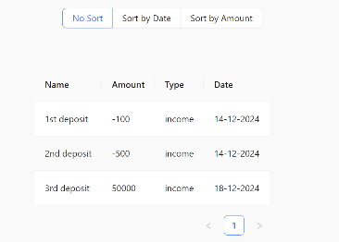
BUG017 | TC076 | Verify that the user can sort transactions by amount in Ascending order. | No option is there for selecting ascending | Entries with ascending order should be there | No button for selecting ascending order | Major | Medium
BUG018 | TC082 | Verify that the user can search for a transaction by the name of the person. | Navigate to the transaction list page Enter a name in the search field Hit enter or click on the search icon | Transactions with the name entered in the search field are displayed. The list is filtered to show matching results only. | No search results is showing | Major | Medium | 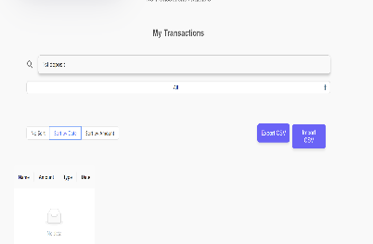
BUG019 | TC083 | Verify that the user can search for a transaction by the amount. | Navigate to the transaction list page Enter an amount in the search field Hit enter or click on the search icon | Transactions with the amount entered in the search field are displayed. The list is filtered to show matching results only. | No search results is showing | Major | Medium
BUG020 | TC084 | Verify that the user can search for transactions by date. | Navigate to the transaction list page Enter a date in the search field Hit enter or click on the search icon | Transactions with the date entered in the search field are displayed. The list is filtered to show matching results only. | No search results is showing | Major | Medium

